Dashboard
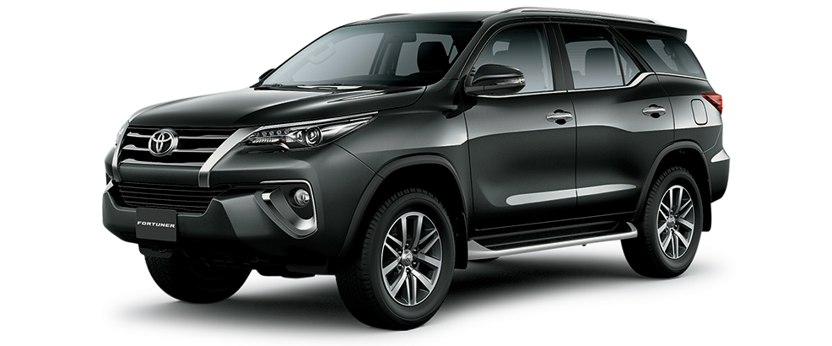

Nigerian Car Market

Average Vehicle Metrics: Nigerian car market

₦5.0M
28.4K
217
3.1K
Top 10 states
 | Total
Akwa ibom | 50
Anambra | 22
Delta | 28
Edo | 59
Federal capital territory | 654
Imo | 30
Kaduna | 57
Kwara | 72
Lagos | 1452
Ogun | 61
Ondo | 55
Oyo | 270
Rivers | 84
(km)
(hp)
(cc)
Price
Mileage
Horse power
Engine size

Top ten most used cars in Nigeria
 | Total
Acura | 56
Ford | 135
Honda | 310
Hyundai | 97
Kia | 57
Lexus | 289
Mercedes-Benz | 261
Nissan | 111
Toyota | 1126
Volkswagen | 56

Naija drivers' choice: Automatic or manual
Choice of colour?
 | Total
Beige | 18
Black | 741
Blue | 323
Brown | 46
Gold | 149
Gray | 498
Green | 100
Red | 205
Silver | 484
White | 279
 | Total
Automatic | 2702
Manual | 171

⬤ Automatic
⬤ Manual

OLÓLÁDÉ

